Arkusz1
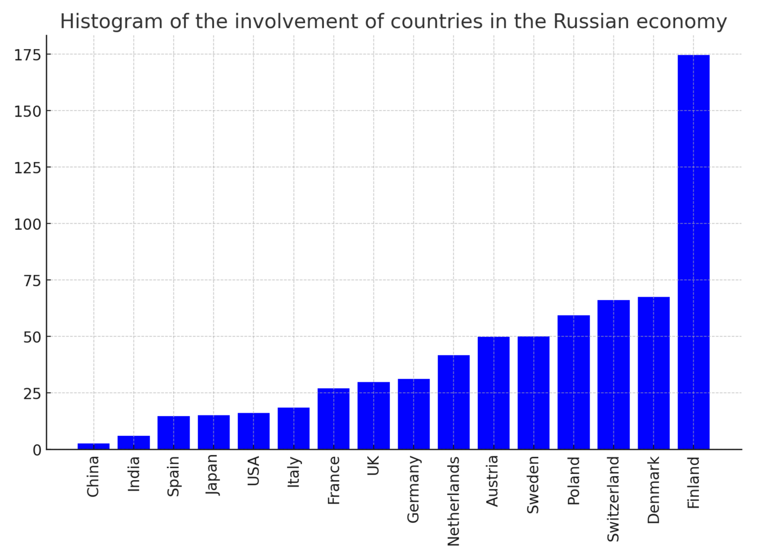
Histogram illustrating the relative engagement of various countries in the Russian economy on the day the aggression began, measured as the number of firms from a given country per 100 billion GDP.

